Sheet1
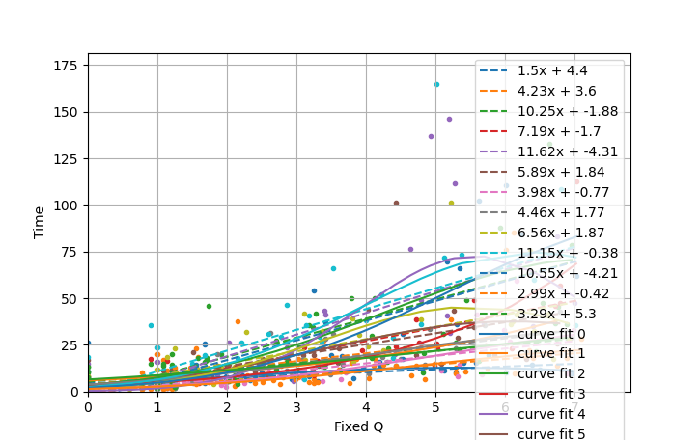
Fixed Q | Time
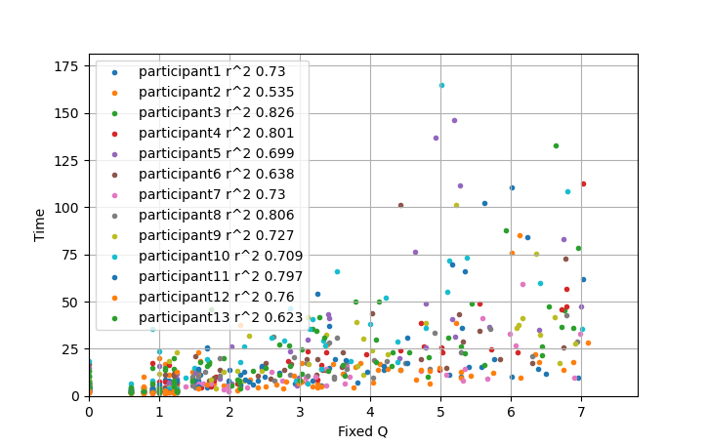

participant1 |  | Original R^2 Value | 0.7302809987
Order | digit1 | digit2 | Answer | Actual answer | Q value | Time | Personal rating | Normalised rating | Modified Q | Elements

